Constants

FLOATING POINTCONSTANT TYPES

let decimalDouble = 12.1875

let exponentDouble = 1.21875e1
let hexadecimalDouble = 0xC.3p0

let paddedDouble = 000123.456
let oneMillion = 1_000_000
let justOverOneMillion = 1_000_000.000_000_1

let pointOneFourOneFiveNine = 0.14159

Var statement
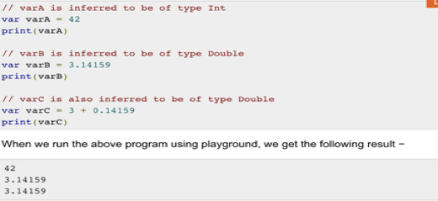
var currentLoginAttempt = 0
var x = 0.0, y = 0.0, z = 0.0
var friendlyWelcome = "Hello!"
var myInt = 1
var x = 3.14
var z = true // Boolean type

